Nominal Broad
FRED Graph Observations
Federal Reserve Economic Data
Link: https://fred.stlouisfed.org | https://fred.stlouisfed.org/series/DTWEXBGS
Help: https://fredhelp.stlouisfed.org | Federal Reserve Board - Foreign Exchange Rates - H.10 - Nominal/Real Indexes
Economic Research Division
Federal Reserve Bank of St. Louis

DTWEXBGS_PCH | Nominal Broad U.S. Dollar Index, Percent Change, Quarterly, Not Seasonally Adjusted

Frequency: Quarterly
observation_date | DTWEXBGS_PCH
2006-04-01 | -1.6
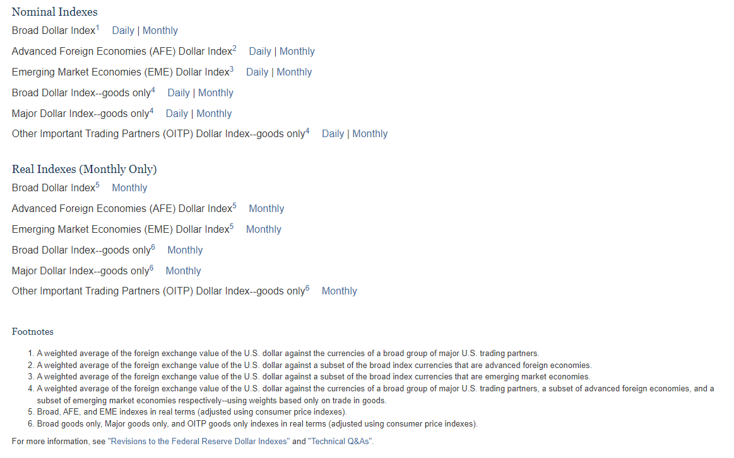
2006-07-01 | -0.6
2006-10-01 | -0.5
2007-01-01 | -0.1
2007-04-01 | -2.6
2007-07-01 | -1.9
2007-10-01 | -3.6
2008-01-01 | -1.7
2008-04-01 | -1.7
2008-07-01 | 2.3
2008-10-01 | 11.9
2009-01-01 | 2.9
2009-04-01 | -4.1
2009-07-01 | -3.6
2009-10-01 | -2.6
2010-01-01 | 1.1
2010-04-01 | 1.7
2010-07-01 | -1.1
2010-10-01 | -3.2
2011-01-01 | -1.5
2011-04-01 | -2.6
2011-07-01 | 0.8
2011-10-01 | 4.3
2012-01-01 | -0.7
2012-04-01 | 1.9
2012-07-01 | 0.0
2012-10-01 | -1.4
2013-01-01 | 0.6
2013-04-01 | 1.1
2013-07-01 | 1.2
2013-10-01 | -0.6
2014-01-01 | 1.5
2014-04-01 | -0.7
2014-07-01 | 1.0
2014-10-01 | 4.8
2015-01-01 | 6.2
2015-04-01 | 0.5
2015-07-01 | 3.4
2015-10-01 | 1.7
2016-01-01 | 1.9
2016-04-01 | -2.4
2016-07-01 | 1.0
2016-10-01 | 3.4
2017-01-01 | 0.5
2017-04-01 | -2.2
2017-07-01 | -3.5
2017-10-01 | 0.9
2018-01-01 | -2.7
2018-04-01 | 2.4
2018-07-01 | 2.7
2018-10-01 | 1.8
2019-01-01 | -1.0
2019-04-01 | 0.8
2019-07-01 | 0.9
2019-10-01 | -0.1
2020-01-01 | 1.2
2020-04-01 | 3.5
2020-07-01 | -3.7
2020-10-01 | -2.9
2021-01-01 | -1.4
2021-04-01 | -0.5
2021-07-01 | 1.3
2021-10-01 | 1.5
2022-01-01 | 0.5
2022-04-01 | 3.0
2022-07-01 | 3.8
2022-10-01 | 1.0
2023-01-01 | -3.6
2023-04-01 | -0.6
2023-07-01 | 0.5
2023-10-01 | 1.6

